Guidance
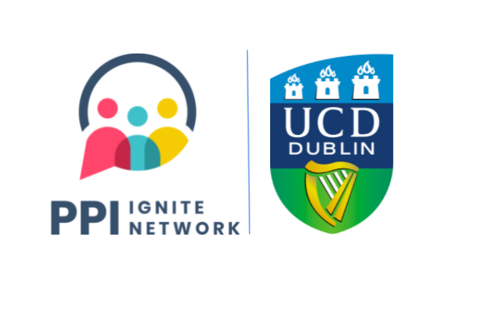

Guidance Document on Public and Patient Involvement / Engaged Research Costings
At a minimum all out of pocket expenses should be covered for members of the public or patients to facilitate their involvement. The template on the next tab should assist you in considering less obvious expenses that can be incurred by PPI partners.
Some fields in the template may not be relevant for your project. The important point is that you consider each field. This should help you appropriately cost PPI or engaged research into your research proposal budget.
The practice of PPI or Engaged Research can differ significantly across projects. Is it common for PPI costings to range between 2.5%-10% of a project budget.
Use the template on the next tab to calculate the approximate cost of the level of public involvement (and associated supports) you wish to implement in the project. You can include these costings in a budget justification. Please engage with all partners to plan out what elements are required.

Payment for PPI Activities
We do not recommend a set payment rate as this will be dependent on the project, funding available and the individual circumstances of the involvement. Below are suggested costings to consider:
Irish Universities Association (IUA) Scale: Some projects benchmark the PPI partner's pay against the IUA research assistants salary scale, typically pro-rata for hourly rates, which as of 2025 was approximately €17-€22.18 per hour.
UCD Hourly Administrative Rate: Some projects have benchmarked PPI partner's pay against the UCD hourly rate for temporary administrators. As of 2025 the standard administrator hourly rate ranged between €17.34- €20.20 per hour.
UCD Ad Hoc Payment: This can be used in exceptional circumstances when standard University hourly rates are not suitable for the nature of the work. One of the use cases is when the individual is delivering occasional or one-off services.
Always refer to UCD HR for the most up to date guidance on payments and selecting the correct payment type. See https://www.ucd.ie/hr/pay/hourlypaidemployees/hourlypayrates/
All projects should be transparent upfront about whether the involvement activities are paid or voluntary prior to commencement.

A Note on Voucher Use
Vouchers: Are not to be used in lieu of payment but can be used as thank you gifts to non-staff. Maximum value of €100 as per UCD's gift and voucher policies. Order vouchers via UCD's requisition and procurement system (Workday). Voucher options include (but are not limited to) One4All and GoGift.

Additional PPI-Associate Cost Guides
Care Assistants to support those who need it: Health Service Executive (HSE) costings for Care Assistants (Disability) in 2025 range from approximately €16.56-€23.80 an hour.
Irish Sign Language: The Council of Irish Sign Language Interpreters (CISLI) 2019 Report on ISL interpreter fees identified an average fee of €125-135 for a half-day service related to education.
Translation: Costs vary greatly dependent on the language required, whether certification is required, and other factors. In 2019, the Association of Translators and Interpreters Ireland (ATII) identified the median cost of 12c per word and €35 per hour.
Interpretation: Again costs vary by language but the 2019 ATII report identified a median cost of €30 per hour or €145 per half-day.

Processing of Expenses
All non-staff expenses must be processed in line with the UCD non-staff expenses procedure. We suggest at the start of a project you go through the claim process step by step with all PPI collaborators on how to process expenses throughout the project. Please be clear in communicating that expenses processing can take a few weeks.

Other Resources
UCD Bursar’s Office: https://www.ucd.ie/bursar/
IUA Researcher Salary Scales/Guidelines: https://www.iua.ie/research-innovation/researcher-salary-scales/
Department of Health Public Involvement Framework Tool 4: https://www.gov.ie/en/collection/70a20b-public-involvement-framework/
Payment for Public Involvement in Health and Care Research: A guide for organisations on determining the most appropriate payment approach: https://www.nihr.ac.uk/documents/Payment-for-Public-Involvement-in-Health-and-Care-Research-A-guide-for-organisations-on-determining-the-most-appropriate-payment-approach/30838

